Wheels
 |  |  | S = Standard Equipment A = Available -- (dashes) = Not Available D = ADI Available ■ = Included in Equipment Group □ = Included in Equipment Group but upgradeable * = Indicates availability of feature on multiple models.
 |  |  | 1: Available on CK10706. Requires a Fleet or Government order type. 2: Available on C*10706. 3: Available on CK10706.
Orderable RPO Code | Ref. Only RPO Code | Wheels | Description | Comm 1FL1 | LS 1LS2 | LT 1LT3 | RST 1SP3 | Z71 2Z73 | Premier 1LZ3 | High Country 3LZ3
 | RCV | 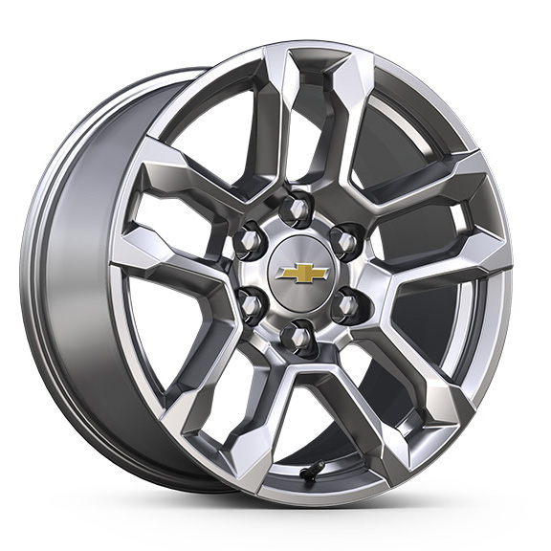 | NEW! Wheels, 18" x 8.5" (45.7 cm x 21.6 cm) Bright Silver painted aluminum | S | S | S | -- | -- | -- | --
NZV |  | 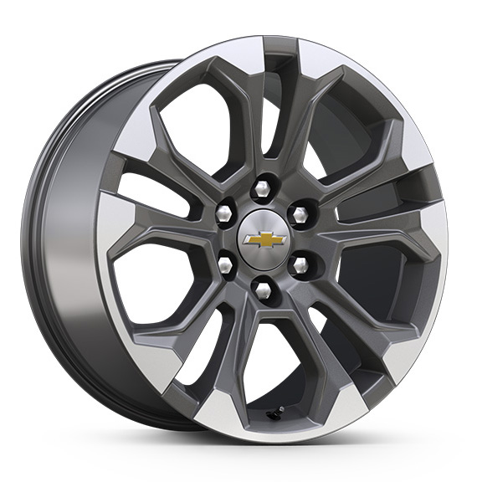 | NEW! Wheels, 20" x 9" (50.8 cm x 22.9 cm) machined aluminum with Charcoal pockets 1. Includes (XCI) 275/60R20SL all-season, blackwall tires unless (QAE) 275/60R20SL all-terrain, blackwall tires are ordered. | A1 | A | A | -- | -- | -- | --
 | SGF | 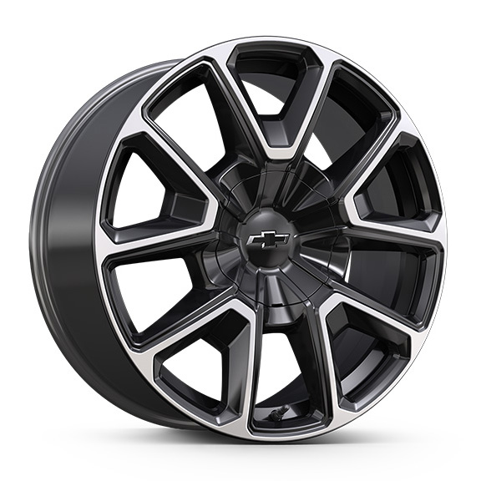 | Wheels, 22" x 9" (55.9 cm x 22.9 cm) bright machined High-Gloss Black painted 1. Includes (SFE) wheel locks, LPO. | -- | -- | -- | ■1 | -- | -- | --
 | NZW | 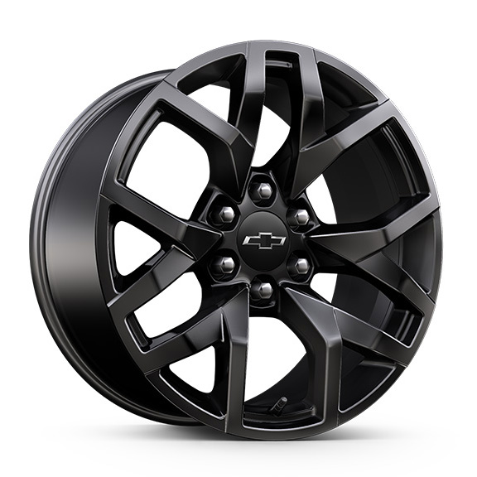 | Wheels, 20" x 9" (50.8 cm x 22.9 cm) High Gloss Black aggressive aluminum. 1. Included and only available with (WPK) RST Performance Edition. | -- | -- | -- | A1 | -- | -- | --
RF1 |  | 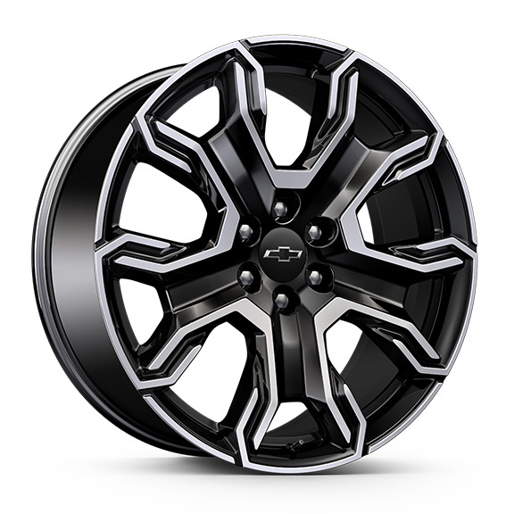 | NEW! Wheels, 24" x 9.5" (61 cm x 24.1 cm) machined and painted Carbon Flash Metallic 1. 4WD model only. Requires (RGK) RST Capability Package. Includes (SFE) wheel locks, LPO. Not available with (WPK) RST Performance Edition. | -- | -- | -- | A1 | -- | -- | --
 | R4M | 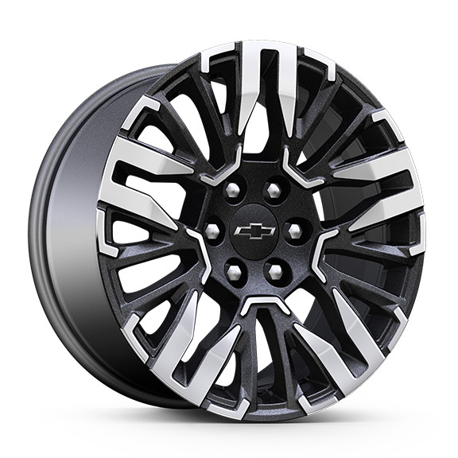 | NEW! Wheels, 20" x 9" (50.8 cm x 22.9 cm) bright machined and painted Technical Grey aluminum | -- | -- | -- | -- | ■ | -- | --
 | RD2 | 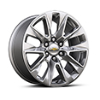 | Wheels, 20" x 9" (50.8 cm x 22.9 cm) polished aluminum | -- | -- | -- | -- | -- | ■ | --
R4C |  | 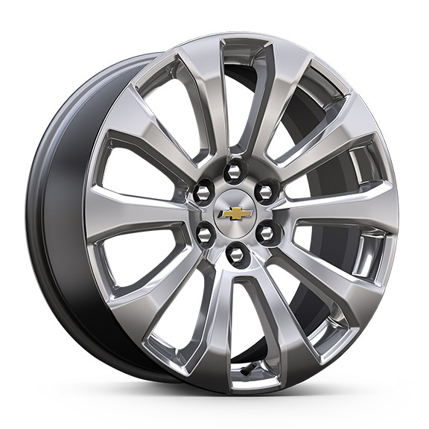 | NEW! Wheels, 22" x 9" (55.9 cm x 22.9 cm) Manoogian Silver painted aluminum 1. Includes (SFE) wheel locks, LPO. | -- | -- | -- | -- | -- | A1 | --
 | R4H | 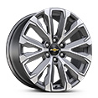 | NEW! Wheels, 22" x 9" (55.9 cm x 22.9 cm) bright machined aluminum and painted After Midnight 1. Includes (SFE) wheel locks, LPO. | -- | -- | -- | -- | -- | -- | ■1
SII |  | 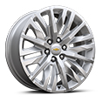 | Wheels, 22" x 9" (55.9 cm x 22.9 cm) polished aluminum 1. Includes (SFE) wheel locks, LPO. 2. Includes (SFE) wheel locks, LPO. Not available with (WPK) RST Performance Edition. | -- | A1 | A1 | A2 | -- | A1 | A1
SIY |  | 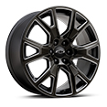 | Wheels, 22" x 9" (55.9 cm x 22.9 cm) 6-spoke Carbon Flash Metallic aluminum with selective machining 1. Includes (SFE) wheel locks, LPO. 2. Includes (SFE) wheel locks, LPO. Not available with (WPK) RST Performance Edition. | -- | A1 | A1 | A2 | -- | A1 | A1
RF2 |  | 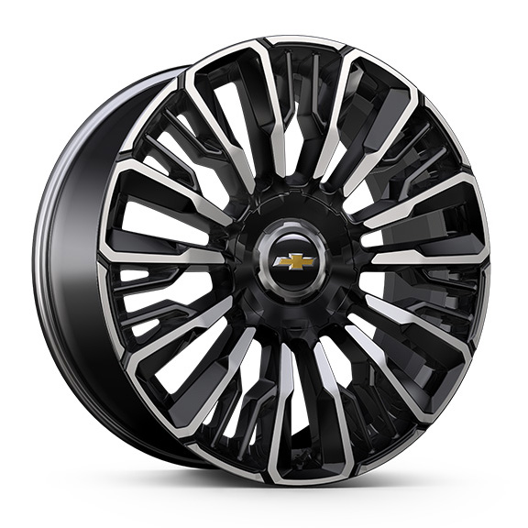 | NEW! Wheels, 24" x 9.5" (61 cm x 24.1 cm) bright machined and painted High Gloss Black 1. 4WD model only. Requires (PDM) High Country Deluxe. Includes (SFE) wheel locks, LPO. | -- | -- | -- | -- | -- | -- | A1
SEV |  | 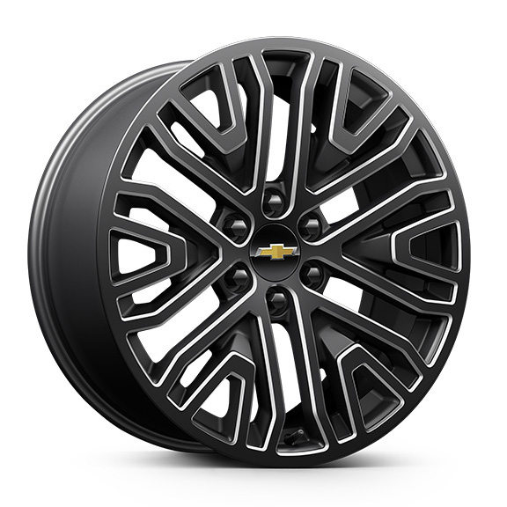 | NEW! LPO, 22" (55.9 cm) 6-Spoke Low Gloss Black Wheels with Machined Accents, LPO wheels will come with 4 steel 22" wheels from the factory with alignment specs set to 22" LPO wheel selected (dealer-installed) 1. Includes wheel locks and not (SFE) wheel locks, LPO. Not available with (SFE) wheel locks, LPO. | A1 | A1 | A1 | A1 | -- | A1 | A1
SRL |  | 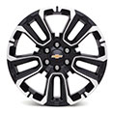 | LPO, 22" (55.9 cm) Black wheels with selective machining, LPO wheels will come with 4 steel 22" wheels from the factory with alignment specs set to 22" LPO wheel selected (dealer-installed) 1. No longer available for the model year. Includes wheel locks and not (SFE) wheel locks, LPO. Not available with (SFE) wheel locks, LPO. | A1 | A1 | A1 | A1 | -- | A1 | A1
SF1 |  | 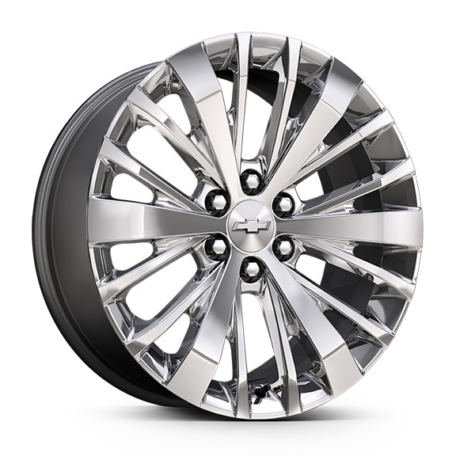 | LPO, 22" (55.9 cm) Bright Chrome wheels, LPO wheels will come with 4 steel 22" wheels from the factory with alignment specs set to 22" LPO wheel selected (dealer-installed) 1. No longer available to order. Includes wheel locks and not (SFE) wheel locks, LPO. Not available with (SFE) wheel locks, LPO. 2. No longer available to order. Included with (PDV) Chrome Package, LPO. Includes wheel locks and not (SFE) wheel locks, LPO. Not available with (SFE) wheel locks, LPO. | A1 | A2 | A2 | A1 | -- | A1 | A1
SSI |  | 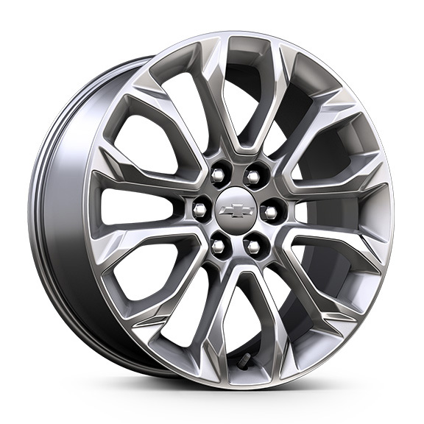 | LPO, 22" (55.9 cm) Multi-spoke Chrome wheels, LPO wheels will come with 4 steel 22" wheels from the factory with alignment specs set to 22" LPO wheel selected (dealer-installed) 1. No longer available to order. Includes wheel locks and not (SFE) wheel locks, LPO. Not available with (SFE) wheel locks, LPO. | A1 | A1 | A1 | A1 | -- | A1 | A1
SF2 |  | 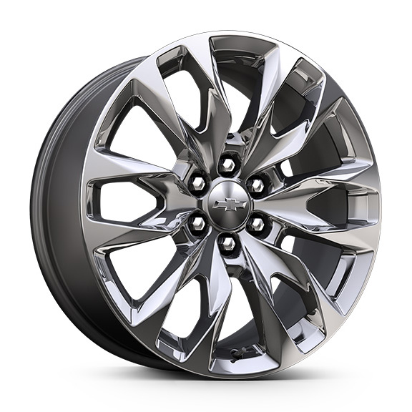 | NEW! LPO, 22" (55.9 cm) Multi-spoke Chrome wheels, LPO wheels will come with 4 steel 22" wheels from the factory with alignment specs set to 22" LPO wheel selected (dealer-installed) 1. No longer available to order. Includes wheel locks and not (SFE) wheel locks, LPO. Not available with (SFE) wheel locks, LPO. | A1 | A1 | A1 | A1 | -- | A1 | A1
SRV |  | 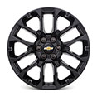 | LPO, 22" (55.9 cm) Multi-spoke Gloss Black wheels, LPO wheels will come with 4 steel 22" wheels from the factory with alignment specs set to 22" LPO wheel selected (dealer-installed) 1. Not available at this time. Includes wheel locks and not (SFE) wheel locks, LPO. Not available with (SFE) wheel locks, LPO. 2. Not available at this time. Included with (PDC) Dark Essentials Package, LPO. Includes wheel locks and not (SFE) wheel locks, LPO. Not available with (SFE) wheel locks, LPO. | A1 | A2 | A2 | A1 | -- | A1 | A1
 | SGM | 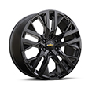 | LPO, 22" (55.9 cm) Multi-spoke Gloss Black wheels, LPO wheels will come with 4 steel 22" wheels from the factory with alignment specs set to 22" LPO wheel selected (dealer-installed) 1. Included and only available with (PEF) Premium Dark Essentials Package, LPO. Includes wheel locks and not (SFE) wheel locks, LPO. Not available with (SFE) wheel locks, LPO. | -- | -- | -- | -- | -- | A1 | --
5FG |  | 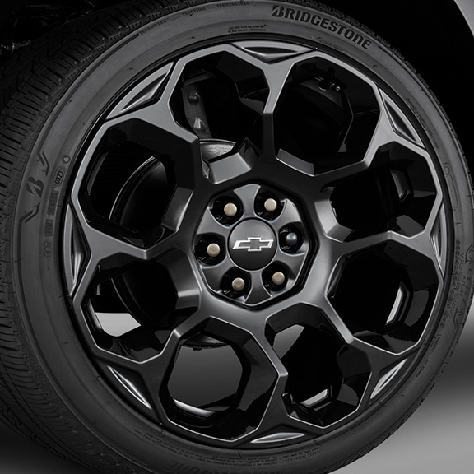 | NEW! LPO, 24" (61.0 cm) Black wheels, LPO wheels will come with 4 steel 24" wheels from the factory with alignment specs set to 24" LPO wheel selected (dealer-installed) 1. Not available at this time. Requires (RGK) RST Capability Package. Included with (PDC) Dark Essentials Plus Package, LPO. Includes wheel locks and not (SFE) wheel locks, LPO. Not available with (SFE) wheel locks, LPO. 2. Not available at this time. Included with (PEF) Premium Dark Essentials Package, LPO. Requires (PDM) High Country Deluxe. Includes wheel locks and not (SFE) wheel locks, LPO. Not available with (SFE) wheel locks, LPO. | -- | -- | -- | A1 | -- | -- | A2
5FF |  | 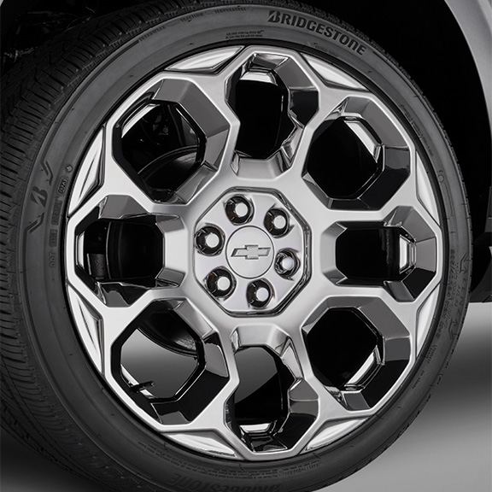 | NEW! LPO, 24" (61.0 cm) Bright Chrome PVD wheels, LPO wheels will come with 4 steel 24" wheels from the factory with alignment specs set to 24" LPO wheel selected (dealer-installed) 1. Not available at this time. Requires (RGK) RST Capability Package. Includes wheel locks and not (SFE) wheel locks, LPO. Not available with (SFE) wheel locks, LPO. 2. Included with (PDV) Chrome Package, LPO. Requires (PDM) High Country Deluxe. Includes wheel locks and not (SFE) wheel locks, LPO. Not available with (SFE) wheel locks, LPO. | -- | -- | -- | A1 | -- | -- | A2
 | SSW | 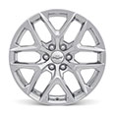 | LPO, 22" (55.9 cm) Bright multi-spoke wheels, LPO wheels will come with 4 steel 22" wheels from the factory with alignment specs set to 22" LPO wheel selected (dealer-installed) 1. Included and only available with (PDV) Chrome Package, LPO. Includes wheel locks and not (SFE) wheel locks, LPO. Not available with (SFE) wheel locks, LPO. | -- | -- | -- | -- | -- | A1 | --

